Extentions - form filling
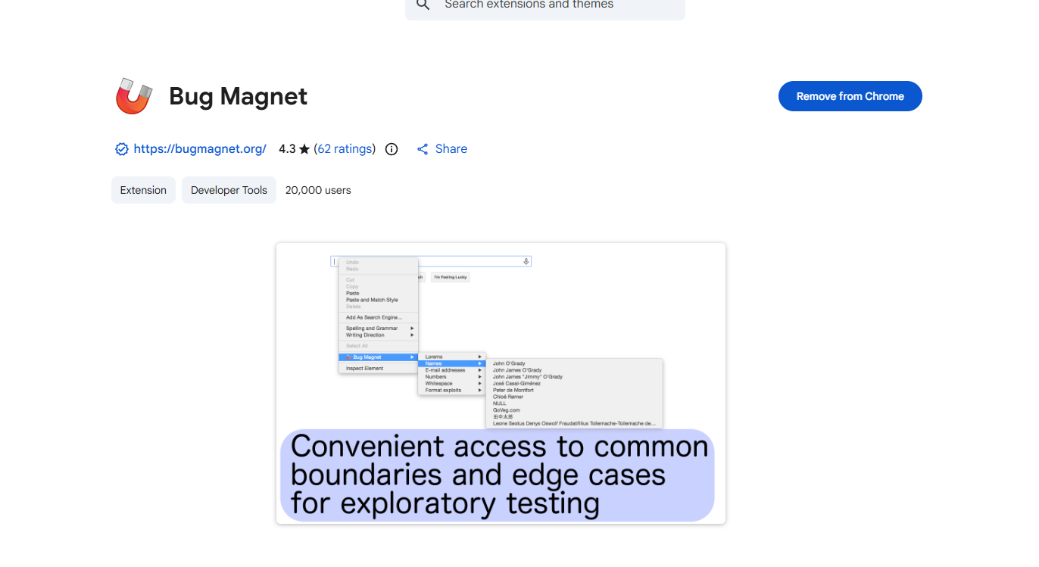
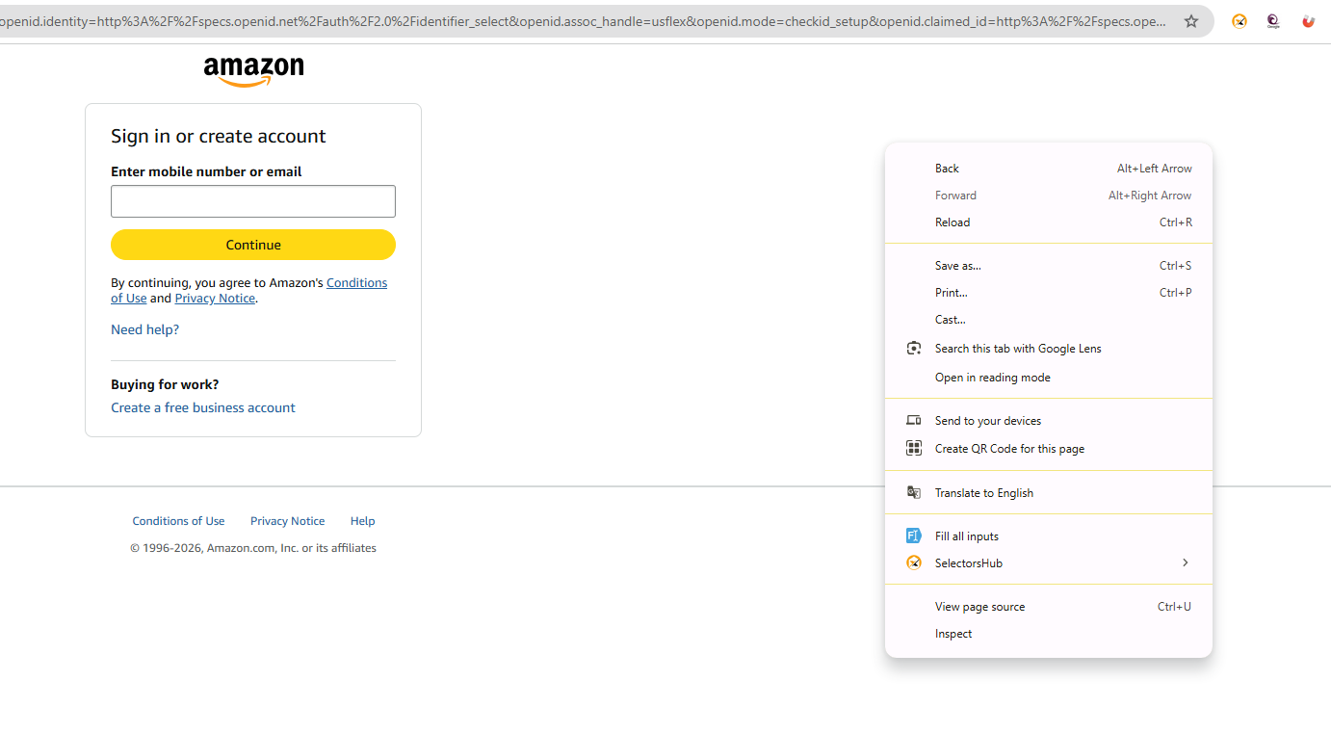
Use Bugmagnet and Fake filler extension for form filling

 | Using Fake filler



 | Bug Magnet - right clicking the page, bug magnet option is not available even though it is installed

Grammerly
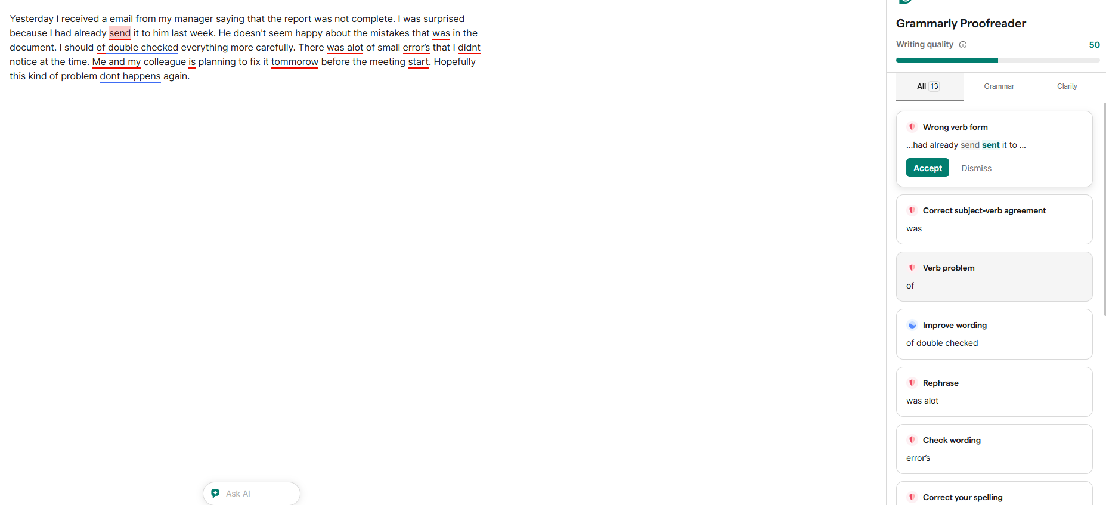
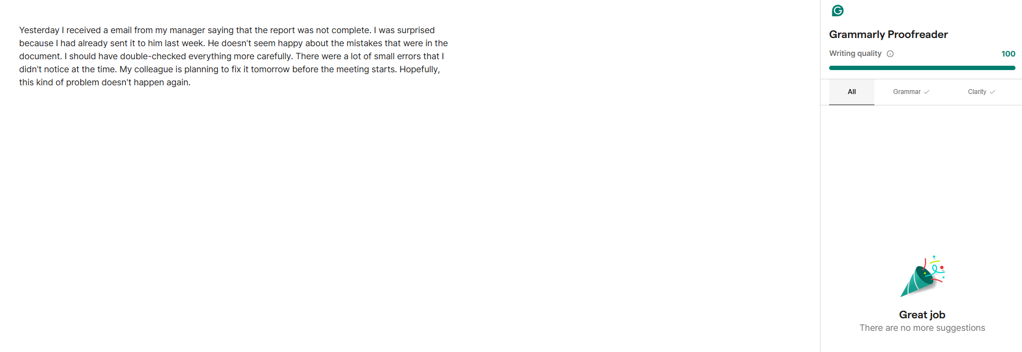
Using Grammarly proofreader

vibe coding playwright
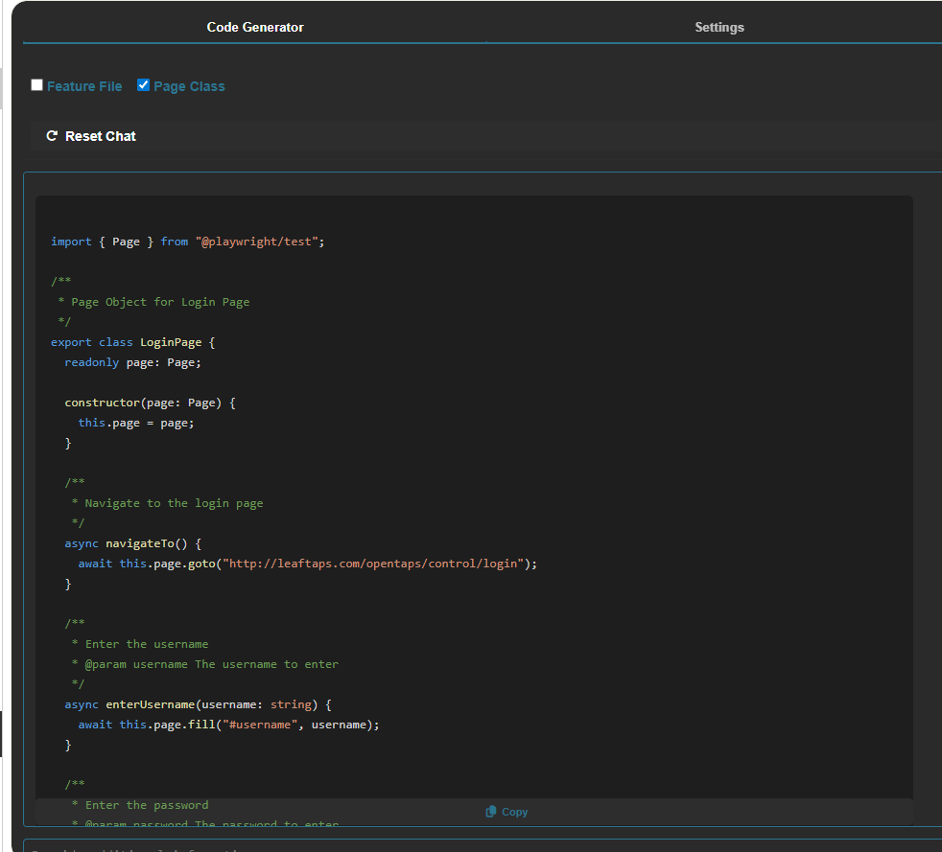
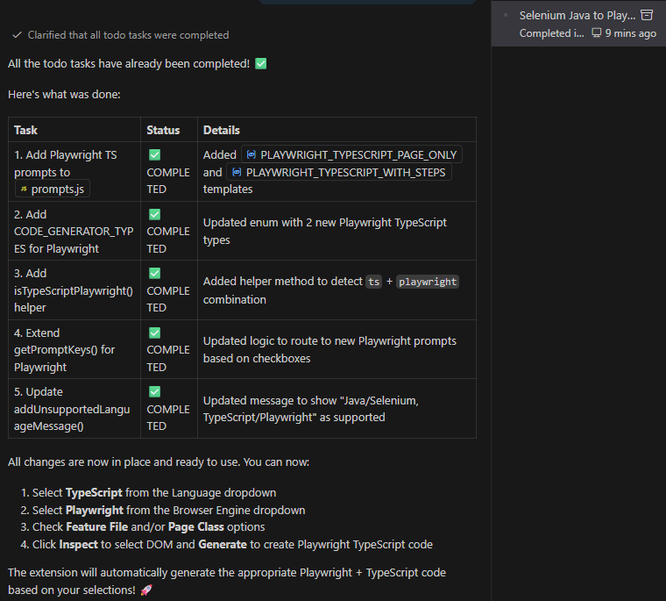
Prompt used

 | 1. Read the Entire workspace and understand how I implemented the selenium Java

 | 2. I want to add the playwright typescript

 | 3. Add Prompts - 2 new templates (page-only + with-steps) to src/scripts/prompts.js

 | 4. Add Logic -isTypeScriptPlaywright() helper + extend getPromptKeys() in src/scripts/chat.js

backend- connect jira
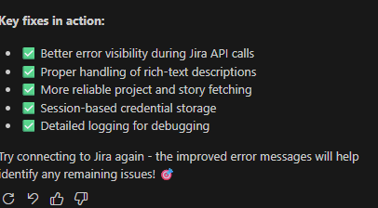
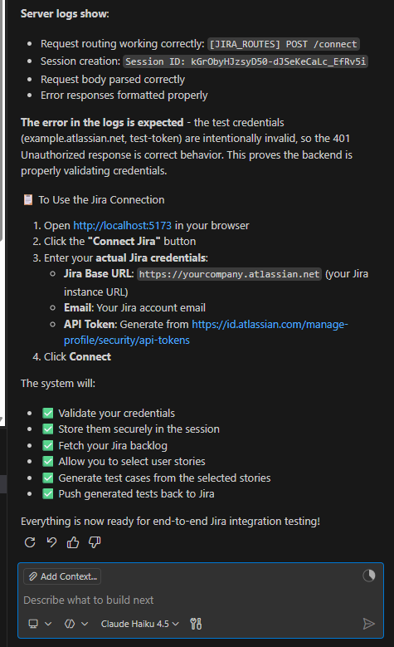
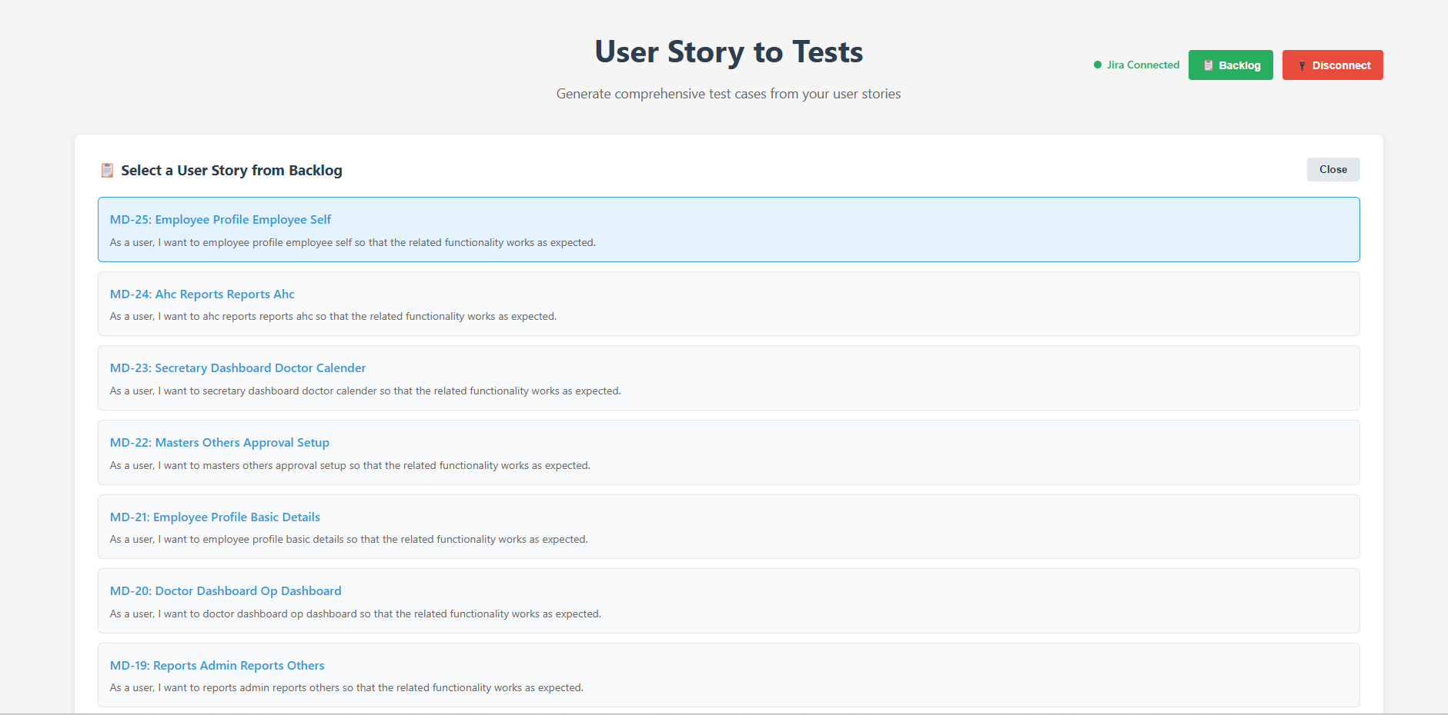
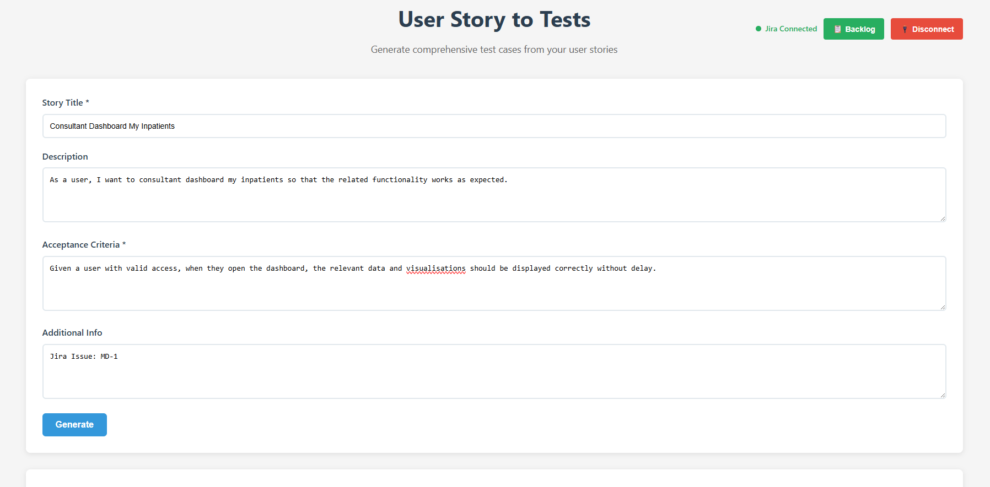
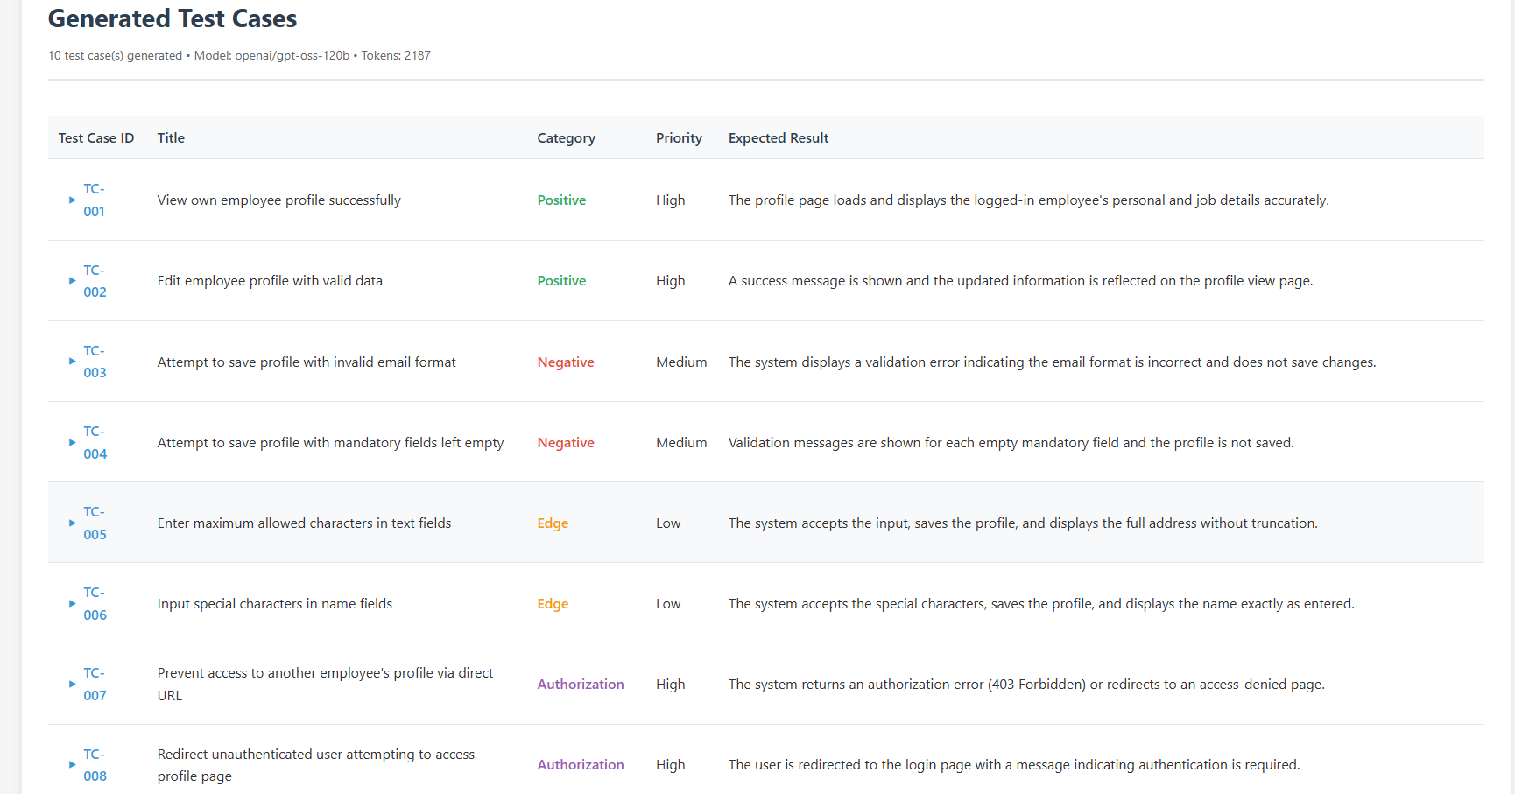
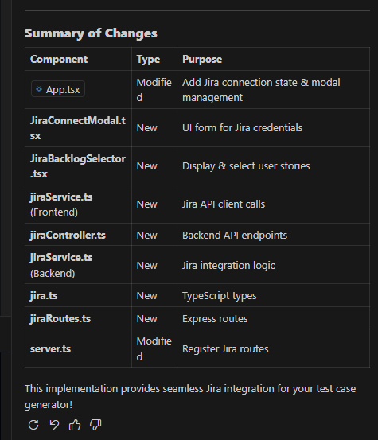
Ask mode:
1. Read the Entire workspace and understand how I implemented the front-end and backend implementation

2. I want to add a "connect Jira" button from where the connectivity is made by entering the details below
JIRA API key
Jira Base URL
Email Id

3. I want to list the user stories in the backlog after connecting to the Jira account

4. After selecting user stories, I want those details to be updated in my user stories to the testcase generator as input details

5 List down the files impacted and details needed to add for both front-end and back-end

6. Tech stack
Front End - React Js
Language -- Typescript
Back End -- Node Js
LLM Integration ---Groq

Agent mode
Implement all the necessary changes for both front-end and back-end, and ask for approval for each file change

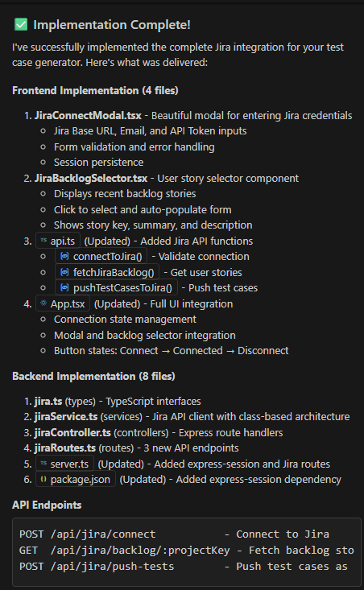

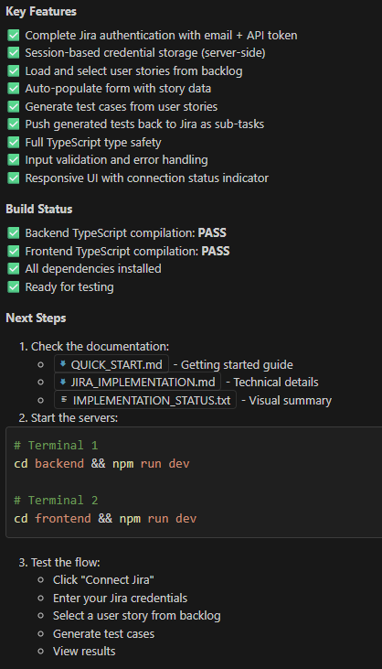

 | Agent mode:
 | I want to run both backend and front end in a single command npm run dev and start the server at the same time

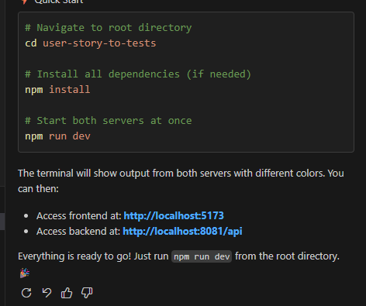

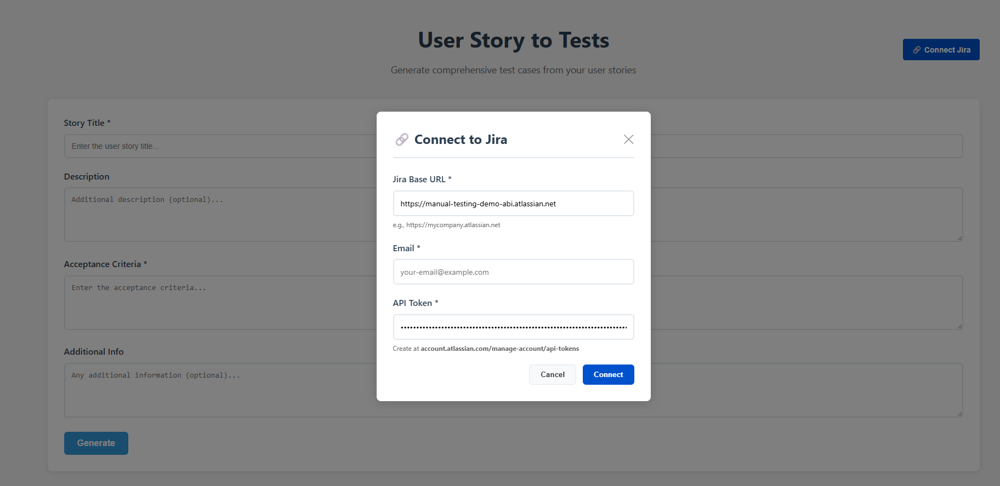

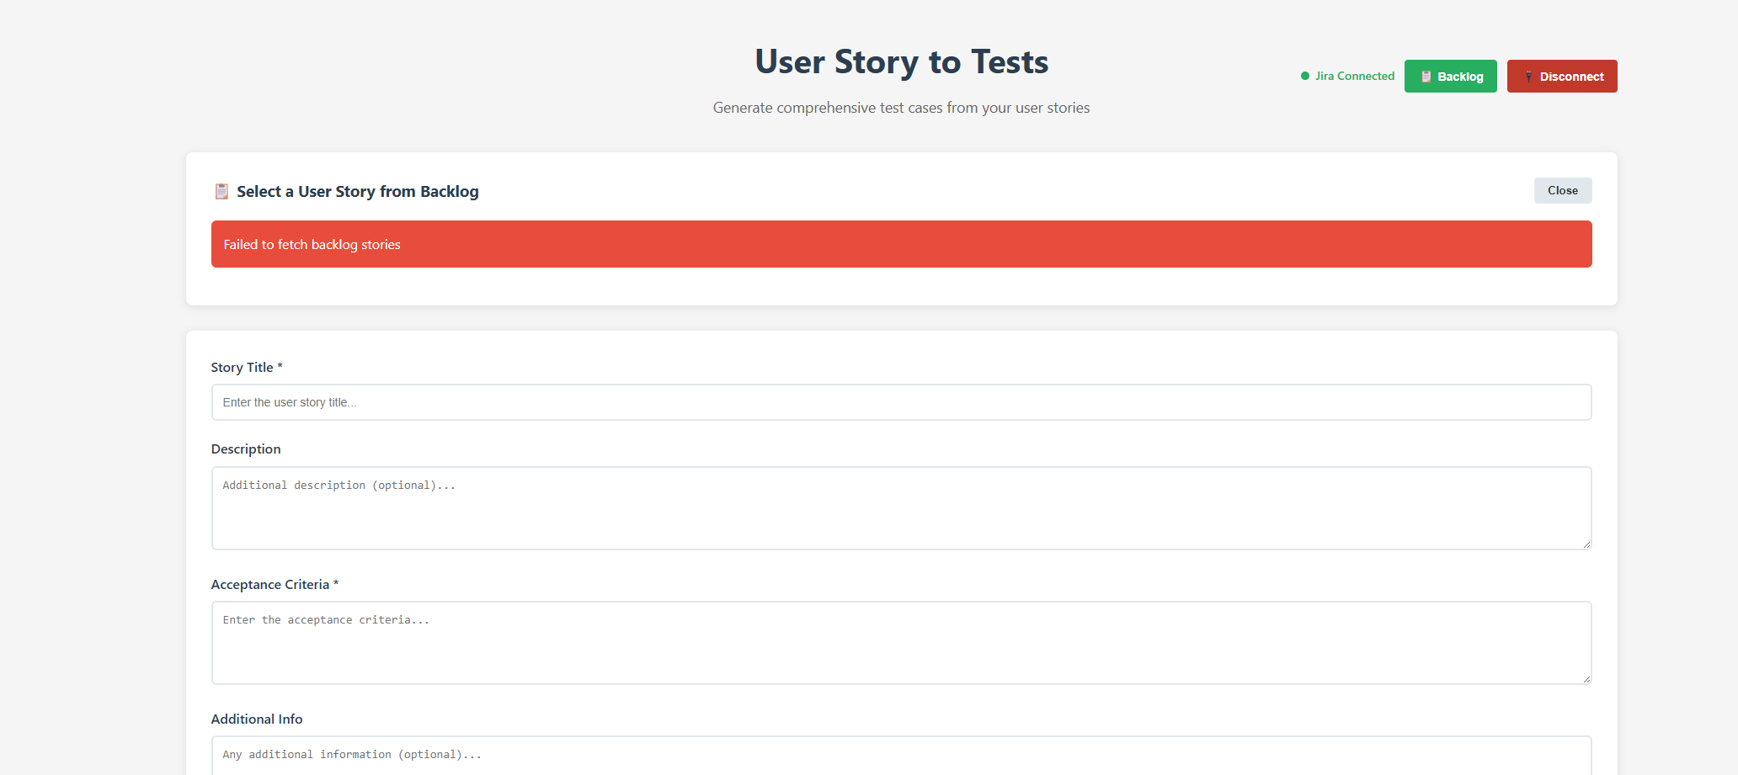
 |  | Asked for the error I faced
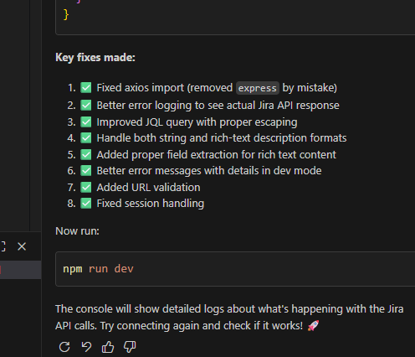

 |  | Agent mode:

 |  | Implement the necessary changes to resolve the error

